Orders vs Sales
Orders vs Sales
Row Labels | Sum of Sales | Count of Order ID
Jan | 94924.8356 | 381
Feb | 59751.2514 | 300
Mar | 205005.4888 | 696
Apr | 137762.1286 | 668
May | 155028.8117 | 735
Jun | 152718.6793 | 717
Jul | 147238.097 | 710
Aug | 159044.063 | 706
Sep | 307649.9457 | 1383
Oct | 200322.9847 | 819
Nov | 352461.071 | 1471
Dec | 325293.5035 | 1408
Grand Total | 2297200.8603 | 9994

Top 5 States for Sales
Top 5 Sales States
Row Labels | Sum of Sales
Pennsylvania | 116511.914
Washington | 138641.27
Texas | 170188.0458
New York | 310876.271
California | 457687.6315
Grand Total | 1193905.1323

Region_Sub Category _Orders
Count of Order ID | Column Labels
Row Labels | Central | East | South | West | Grand Total
Accessories | 183 | 206 | 128 | 258 | 775
Appliances | 123 | 126 | 81 | 136 | 466
Art | 176 | 228 | 142 | 250 | 796
Binders | 366 | 440 | 246 | 471 | 1523
Bookcases | 50 | 70 | 28 | 80 | 228
Chairs | 154 | 168 | 88 | 207 | 617
Copiers | 16 | 20 | 7 | 25 | 68
Envelopes | 59 | 74 | 54 | 67 | 254
Fasteners | 55 | 61 | 29 | 72 | 217
Furnishings | 205 | 283 | 165 | 304 | 957
Labels | 76 | 107 | 65 | 116 | 364
Machines | 21 | 37 | 18 | 39 | 115
Paper | 321 | 378 | 221 | 450 | 1370
Phones | 200 | 272 | 140 | 277 | 889
Storage | 210 | 242 | 128 | 266 | 846
Supplies | 36 | 56 | 29 | 69 | 190
Tables | 72 | 80 | 51 | 116 | 319
Grand Total | 2323 | 2848 | 1620 | 3203 | 9994

Dashbaord
Total Sales | Total Profit | Total Units Sold
$2,297,200.86 | $286,397.02 | 37873

Orders vs Sales
 | Sum of Sales | Count of Order ID
Jan | 94924.8356 | 381
Feb | 59751.2514 | 300
Mar | 205005.4888 | 696
Apr | 137762.1286 | 668
May | 155028.8117 | 735
Jun | 152718.6793 | 717
Jul | 147238.097 | 710
Aug | 159044.063 | 706
Sep | 307649.9457 | 1383
Oct | 200322.9847 | 819
Nov | 352461.071 | 1471
Dec | 325293.5035 | 1408
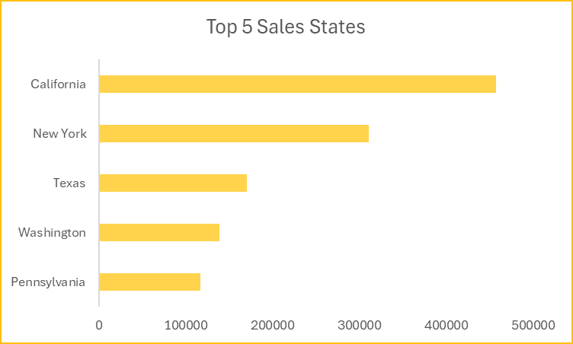
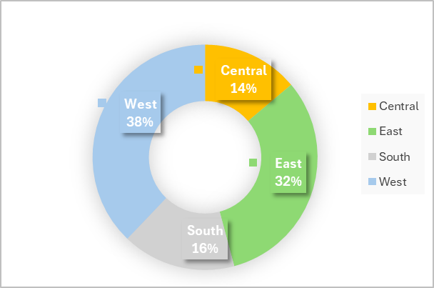

 | Central | East | South | West
Accessories | 183 | 206 | 128 | 258
Appliances | 123 | 126 | 81 | 136
Art | 176 | 228 | 142 | 250
Binders | 366 | 440 | 246 | 471
Bookcases | 50 | 70 | 28 | 80
Chairs | 154 | 168 | 88 | 207
Copiers | 16 | 20 | 7 | 25
Envelopes | 59 | 74 | 54 | 67
Fasteners | 55 | 61 | 29 | 72
Furnishings | 205 | 283 | 165 | 304
Labels | 76 | 107 | 65 | 116
Machines | 21 | 37 | 18 | 39
Paper | 321 | 378 | 221 | 450
Phones | 200 | 272 | 140 | 277
Storage | 210 | 242 | 128 | 266
Supplies | 36 | 56 | 29 | 69
Tables | 72 | 80 | 51 | 116

